02_MLB Umpire Assignment
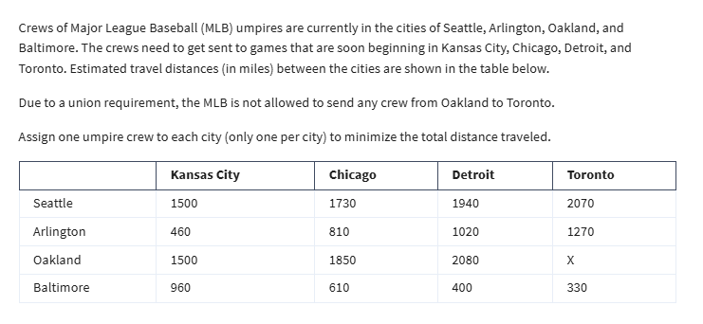
Assignment Problem - Special Type of Transportation
Distance
 | To
From | Kansas | Chicago | Detroit | Toronto
Seattle | 1500 | 1730 | 1940 | 2070
Arlington | 460 | 810 | 1020 | 1270
Oakland | 1500 | 1850 | 2080 | x | Treat this as another constraints
Baltimore | 960 | 610 | 400 | 330

Assignments
 | To
From | Kansas | Chicago | Detroit | Toronto | LHS | Sign | RHS
Seattle | 0 | 0 | 1 | 0 | 1 | = | 1
Arlington | 0 | 1 | 0 | 0 | 1 | = | 1
Oakland | 1 | 0 | 0 | 0 | 1 | = | 1
Baltimore | 0 | 0 | 0 | 1 | 1 | = | 1
 | 1 | 1 | 1 | 1
 | <= | <= | <= | <=
 | 1 | 1 | 1 | 1

Objective (min)
Distance | 4,580.00

